FTS_Application Form
` |  |  |  |  |  |  | Institute of Singapore Chartered Accountants
 |  |  |  |  |  |  | 60 Cecil Street
 |  |  |  |  |  |  | ISCA House
 |  |  |  |  |  |  | Singapore 049709
 |  |  |  |  |  |  | Tel: 6597 5533
 |  |  |  |  |  |  | Email: qualifications@isca.org.sg
Financial Training Scheme (FTS) Application Form
Instructions
1 | Only company-sponsored candidates are eligible for this scheme and subject to eligibility criteria.
2 | You are required to fill in one form per company-sponsored candidate.
3 | Please complete this form before company representative makes payment for the module workshop and exam fees. All cells in grey are to be duly completed.
4 | The completed and signed form(s) is/are to be uploaded at the payment page during module enrolment.
5 | Company representative is to make payment for the Nett Fee (fees after funding). Please ensure you have entered the correct funding amount on the payment page (See Cell I32).
6 | Please ensure both company representative and company-sponsored candidates have read through the terms and conditions for use of Financial Training Scheme (FTS).

PERSONAL PARTICULARS
Name of Candidate (In Identity Card) |  |  |  |  |  | Race
Contact Number |  |  |  |  |  | Date of Birth (dd/mm/yyyyy)
ID Type |  |  |  |  |  | NRIC/FIN
Nationality
Sponsoring Company Name
 |  |  | Please answer the following question(s):
 |  | 1 | Is your company a Singapore-based Financial Institution regulated by the MAS (licensed or exempt from licensing by MAS)?
 |  | 2 | Is your company a FinTech firm certified by the Singapore FinTech Association (SFA)?
FTS RECOGNISED PROGRAMME
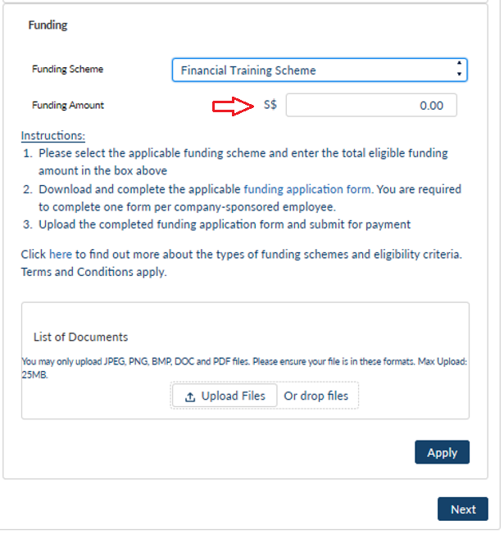
(a) | Please select the module(s) you would like to apply the FTS funding
 | Programme Code |  | Programme Name |  |  | Course Fee | Discount
 | P190903BZH | 2200 | Project Risks and Financing |  |  | S$ 2,200.00 | N.A. | TRUE
(b) | Payment Summary
 | Course Fees |  |  |  | S$ 2,200.00
 | GST |  |  |  | S$ 154.00
 | Enhanced course fee subsidy (90%) + IBF Credit (5%), subject to prevailing $2,000 grant cap |  |  |  | S$ 2,000.00 |  | IMPORTANT: Please input this funding amount $2,000 on the payment page under the "Funding" section for system to calculate the Nett Fee
 | Total Nett Fees Payable |  |  |  | S$ 354.00
TERMS AND CONDITIONS FOR USE OF THE FINANCIAL TRAINING SCHEME
1. | The FTS is available to eligible entities based on the prevalent funding eligibility, quantum and caps. FTS claims may only be made for recognised programmes with specified validity period.

2. | Eligible company-sponsored individuals would only be required to pay the unsubsidised portion of the course fee, and ISCA will claim the course fee subsidy and the IBF Credit from IBF directly.

3. | The enhanced funding support is only available for training programmes commencing between 8 April 2020 and 31 December 2021 (both dates inclusive).
4. | The IBF Credit is only available for training programmes commencing between 8 April 2020 and 30 June 2021 (both dates inclusive) and completed no later than 30 September 2021.

5. | The candidate will not be eligible for the course fee subsidy and the IBF Credit if he/she drops out halfway through the course or did not pass the examination. ISCA will take reasonable steps to claw back the disbursed course fee subsidy and IBF Credit from the self-sponsored individual or the sponsoring company and return the monies recovered to IBF within 3 months from the completion of the course for the cohort.

DECLARATION
By submitting this form,
1. | I confirm that I have read and I agree to the ISCA’s Privacy and Data Protection Policy (https://isca.org.sg/privacy-and-data-protection-policy/) which sets out how my personal data will be collected, used, disclosed and processed by ISCA and the purposes of processing.

2. | I have read, understood and agreed to be bound by the terms and conditions for FTS recognised courses.
Signature: |  |  |  | Date:

